Sheet2
Sum of Sales | Column Labels
Row Labels | Computech | MicroWorld | Grand Total
Accessories | £1,295,859.50 | £434,593.92 | £1,730,453.42
Cameras | £2,072,772.67 | £395,994.44 | £2,468,767.11
Games | £1,113,992.10 | £4,149.94 | £1,118,142.04
Laptops | £1,913,886.12 | £1,048,573.50 | £2,962,459.62
Memory Cards | £1,685,560.82 | £1,281,336.06 | £2,966,896.88
Mobile Phones | £1,654,056.42 | £318,835.52 | £1,972,891.94
PC's | £2,085,232.06 | £116,225.83 | £2,201,457.89
Printers | £1,200,773.87 | £964,824.73 | £2,165,598.60
TV's | £517,699.80 | £150,822.23 | £668,522.03
Grand Total | £13,539,833.36 | £4,715,356.17 | £18,255,189.53

Sales By Category

Sheet3
Sales By Store
Row Labels | Sum of Sales
Computech | £13,539,833.36
MicroWorld | £4,715,356.17
Grand Total | £18,255,189.53

Sheet6
Sum of Sales | Column Labels
Row Labels | Computech | MicroWorld | Grand Total
1-Jan | £1,436,275.99 | £704,827.06 | £2,141,103.05
Monthly Sales
 | Computech | MicroWorld
1-Jan | £1,436,275.99 | £704,827.06
1-Feb | £1,680,793.10 | £780,547.47
1-Mar | £1,876,303.90 | £848,781.37
1-Apr | £2,275,264.31 | £931,847.16
1-May | £1,709,697.75 | £751,070.43
1-Jun | £1,377,523.05 | £698,282.68
1-Jul | £3,183,975.26
1-Feb | £1,680,793.10 | £780,547.47 | £2,461,340.57
1-Mar | £1,876,303.90 | £848,781.37 | £2,725,085.27
1-Apr | £2,275,264.31 | £931,847.16 | £3,207,111.47
1-May | £1,709,697.75 | £751,070.43 | £2,460,768.18
1-Jun | £1,377,523.05 | £698,282.68 | £2,075,805.73
1-Jul | £3,183,975.26 |  | £3,183,975.26
Grand Total | £13,539,833.36 | £4,715,356.17 | £18,255,189.53

Sheet4
Row Labels | Sum of Sales
Antonio Perez | £897,580.43
Ben Malone | £223,969.23
Chris Fletcher | £1,443,437.96
Craig Spinks | £377,449.13
Dev Singh | £250,211.12
Felicity Chambers | £359,012.08
Sales By Manager
Frank Archibald | £408,363.44
Hugo Matthews | £420,056.46
Jade Wilson | £444,723.61
Jason Hervey | £1,583,092.32
Kirsty Young | £1,267,463.80
Mabel Graves | £1,197,198.19
Marcus Decker | £1,272,368.42
Margot Stoddard | £1,038,424.40
Nick Fallows | £1,284,959.76
Rob Fisher | £1,068,228.03
Sam Waters | £489,296.49
Sandra Rix | £863,710.08
Spencer Lee | £1,798,518.59
Stephanie Zanoni | £1,280,068.52
Tori Bell | £287,057.47
Grand Total | £18,255,189.53

Sample Dashboard
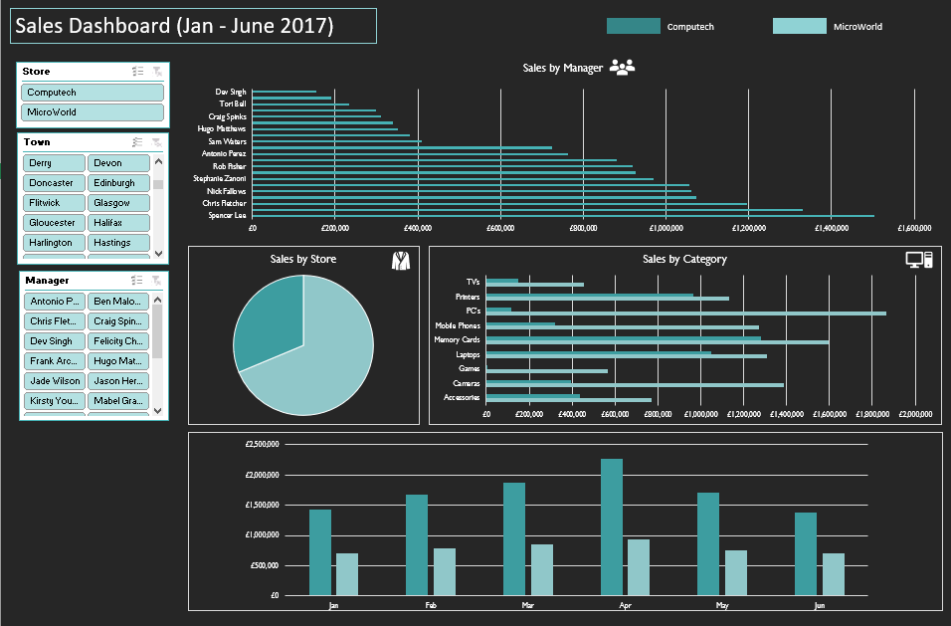

Sheet5
Sales Dashboard (Jan - July 2017)

 | Computech | Microworld

Sales By Manager
 | Total
Antonio Perez | £897,580.43
Ben Malone | £223,969.23
Chris Fletcher | £1,443,437.96
Craig Spinks | £377,449.13
Dev Singh | £250,211.12
Felicity Chambers | £359,012.08
Frank Archibald | £408,363.44
Hugo Matthews | £420,056.46
Jade Wilson | £444,723.61
Jason Hervey | £1,583,092.32
Kirsty Young | £1,267,463.80
Mabel Graves | £1,197,198.19
Marcus Decker | £1,272,368.42
Margot Stoddard | £1,038,424.40
Nick Fallows | £1,284,959.76
Rob Fisher | £1,068,228.03
Sam Waters | £489,296.49
Sandra Rix | £863,710.08
Spencer Lee | £1,798,518.59
Stephanie Zanoni | £1,280,068.52
Tori Bell | £287,057.47

Sales By Category
 | Computech | MicroWorld
Accessories | £1,295,859.50 | £434,593.92
Cameras | £2,072,772.67 | £395,994.44
Games | £1,113,992.10 | £4,149.94
Laptops | £1,913,886.12 | £1,048,573.50
Memory Cards | £1,685,560.82 | £1,281,336.06
Mobile Phones | £1,654,056.42 | £318,835.52
PC's | £2,085,232.06 | £116,225.83
Printers | £1,200,773.87 | £964,824.73
TV's | £517,699.80 | £150,822.23
Sales By Store
 | Total
Computech | £13,539,833.36
MicroWorld | £4,715,356.17

Monthly Sales
 | Computech | MicroWorld
1-Jan | £1,436,275.99 | £704,827.06
1-Feb | £1,680,793.10 | £780,547.47
1-Mar | £1,876,303.90 | £848,781.37
1-Apr | £2,275,264.31 | £931,847.16
1-May | £1,709,697.75 | £751,070.43
1-Jun | £1,377,523.05 | £698,282.68
1-Jul | £3,183,975.26

